Worksheet
2025 Commercial Efficiency Program
 |  | Outdoor Lighting 2025 version 1.0
 | 1. | Select check box to indicate that the product is listed with the proper rating agency at the time of application submission.
 | 2. | Enter quantity, wattage, Product ID, Manufacturer and Model. Details on how to find Product ID are located on the bottom of this sheet.
 | 3. | Indicate existing lamp type, i.e., Incandescent, MH, HPS, etc.
 | 4. | Units must be installed per rated condition or IESNA best practices. Products qualifying in more than one category will be rebated at the lesser rebate amount.
 | 5. | Disadvanatged Community rebates will be calculated at 25% more than standard rebates.
X900 & X900-P LED Architectural Flood and Spot Fixtures - Low, Mid $60 Each

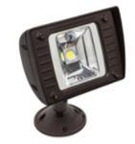
 |  |  |  | Lighting Type to be Replaced | Proposed Qty |  | Proposed Watts | DLC Product Code |  | DLC Rating | Manufacturer | Model | Rebate

X901 & X901-P LED Architectural Flood and Spot Fixtures - High $165 Each

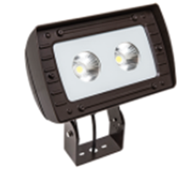
 |  |  |  | Lighting Type to be Replaced | Proposed Qty |  | Proposed Watts | DLC Product Code |  | DLC Rating | Manufacturer | Model | Rebate

X910 & X910-P LED Outdoor Pole/Arm-Mounted Area and Roadway Luminaire - Low, Mid $100 Each

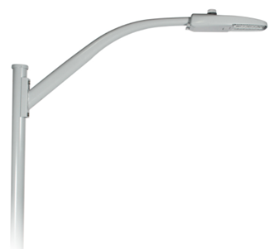
 |  |  |  | Lighting Type to be Replaced | Proposed Qty |  | Proposed Watts | DLC Product Code |  | DLC Rating | Manufacturer | Model | Rebate

X911 & X911-P LED Outdoor Pole/Arm-Mounted Area and Roadway Luminaire - High, Very High $200 Each

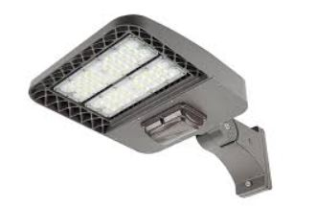
 |  |  |  | Lighting Type to be Replaced | Proposed Qty |  | Proposed Watts | DLC Product Code |  | DLC Rating | Manufacturer | Model | Rebate

X912 LED Area Lighting Replacement Lamps, Types B&C - Low, Mid $60 Each

 |  |  |  | Lighting Type to be Replaced | Proposed Qty |  | Proposed Watts | DLC Product Code |  | Manufacturer |  | Model | Rebate

X913 LED Area Lighting Replacement Lamps, Types B&C - High, Very High $130 Each

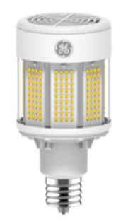
 |  |  |  | Lighting Type to be Replaced | Proposed Qty |  | Proposed Watts | DLC Product Code |  | Manufacturer |  | Model | Rebate

X914 & X914-P LED Area Lighting Retrofit Kits - Low, Mid $80 Each

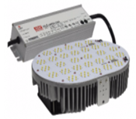
 |  |  |  | Lighting Type to be Replaced | Proposed Qty |  | Proposed Watts | DLC Product Code |  | DLC Rating | Manufacturer | Model | Rebate

X915 & X915-P LED Area Lighting Retrofit Kits - High, Very High $170 Each

 |  |  |  | Lighting Type to be Replaced | Proposed Qty |  | Proposed Watts | DLC Product Code |  | DLC Rating | Manufacturer | Model | Rebate

X920 & X920-P LED Wall Mounted Full-Cutoff, Fixtures - Low, Mid $60 Each

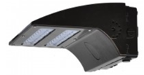
 |  |  |  | Lighting Type to be Replaced | Proposed Qty |  | Proposed Watts | DLC Product Code |  | DLC Rating | Manufacturer | Model | Rebate

X921 & X921-P LED Wall Mounted Full-Cutoff, Fixtures - High, Very High $160 Each

 |  |  |  | Lighting Type to be Replaced | Proposed Qty |  | Proposed Watts | DLC Product Code |  | DLC Rating | Manufacturer | Model | Rebate

X922 LED Wall Mounted Full-Cutoff, Replacement Lamps - Low, Mid $50 Each

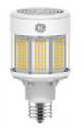
 |  |  |  | Lighting Type to be Replaced | Proposed Qty |  | Proposed Watts | DLC Product Code |  | Manufacturer |  | Model | Rebate

X923 LED Wall Mounted Full-Cutoff, Replacement Lamps - High, Very High $100 Each

 |  |  |  | Lighting Type to be Replaced | Proposed Qty |  | Proposed Watts | DLC Product Code |  | Manufacturer |  | Model | Rebate

X924 & X924-P LED Wall Mounted Full-Cutoff, Retrofit Kits - Low, Mid $80 Each

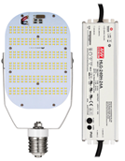
 |  |  |  | Lighting Type to be Replaced | Proposed Qty |  | Proposed Watts | DLC Product Code |  | DLC Rating | Manufacturer | Model | Rebate

X925 & X925-P LED Wall Mounted Full-Cutoff, Retrofit Kits - High, Very High $170 Each

 |  |  |  | Lighting Type to be Replaced | Proposed Qty |  | Proposed Watts | DLC Product Code |  | DLC Rating | Manufacturer | Model | Rebate

X930 & X930-P LED Decorative Fixtures - Low, Mid $90 Each

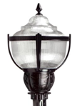
 |  |  |  | Lighting Type to be Replaced | Proposed Qty |  | Proposed Watts | DLC Product Code |  | DLC Rating | Manufacturer | Model | Rebate

X931 & X931-P LED Decorative Fixtures - High, Very High $180 Each

 |  |  |  | Lighting Type to be Replaced | Proposed Qty |  | Proposed Watts | DLC Product Code |  | DLC Rating | Manufacturer | Model | Rebate

X932 LED Decorative Replacement Lamps - Low, Mid $60 Each

 |  |  |  | Lighting Type to be Replaced | Proposed Qty |  | Proposed Watts | DLC Product Code |  | Manufacturer |  | Model | Rebate

X933 LED Decorative Replacement Lamps - High, Very High $130 Each

 |  |  |  | Lighting Type to be Replaced | Proposed Qty |  | Proposed Watts | DLC Product Code |  | Manufacturer |  | Model | Rebate

X934 & X934-P LED Decorative Retrofit Kits - Low, Mid $80 Each

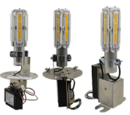
 |  |  |  | Lighting Type to be Replaced | Proposed Qty |  | Proposed Watts | DLC Product Code |  | DLC Rating | Manufacturer | Model | Rebate

X935 & X935-P LED Decorative Retrofit Kits - High, Very High $170 Each

 |  |  |  | Lighting Type to be Replaced | Proposed Qty |  | Proposed Watts | DLC Product Code |  | DLC Rating | Manufacturer | Model | Rebate

X940 LED Vapor Tight Replacement Tubes $5 Each
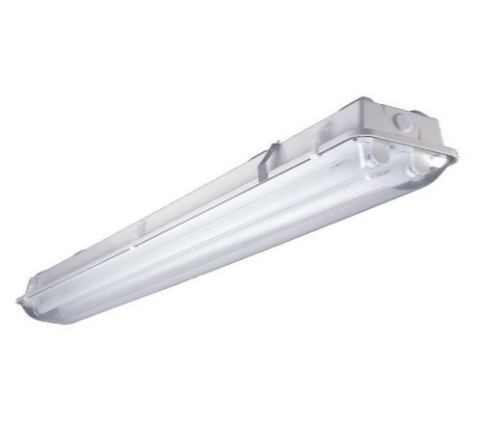
 |  |  |  | Lighting Type to be Replaced | Proposed Qty |  | Proposed Watts | DLC Product Code |  | DLC Rating | Manufacturer | Model | Rebate

X945 LED Downlight Fixtures $35 Each

 |  |  |  | Lighting Type to be Replaced | Proposed Qty |  | Proposed Watts | Energy Star Unique ID |  | Manufacturer |  | Model | Rebate

X950 LED Bollard Fixtures $35 Each

 |  |  |  | Lighting Type to be Replaced | Proposed Qty |  | Proposed Watts | DLC Product Code |  | Manufacturer |  | Model | Rebate

X955 LED Stairwell and Passageway Fixtures $40 Each

 |  |  |  | Lighting Type to be Replaced | Proposed Qty |  | Proposed Watts | DLC Product Code |  | Manufacturer |  | Model | Rebate

Project Summary

 |  |  |  | Total Project Rebate |  | Total kWh Savings |  |  | Total kW Savings
 |  |  |  | $0 |  | 0.00 |  |  | 0.00

Note: For products listed by DesignLights Consortium, the Product ID is listed as a "DLC Product Code" and can be found on their website under "View Details" or as "Product ID" in Excel format.

 |  | Application Version: | 1.1.25_1.0 |  |  |  |  |  |  |  |  | Effective: | 1.1.25

