Worksheet
2025 Commercial Efficiency Program

Commercial Weatherization
Commercial Weatherization rebates are available to all PSEG Long Island commercial customers. If customer is located in a Disadvantaged Community, Customer may be eligible for up to 25% increased rebates.
Instructions:
1) | Enter applicable Heating and Cooling System information
2) | Check the box of each measure being installed
3) | Enter all data inputs fields for installed measures
4) | Rebates will be capped based on the total cost of the project

 | Primary Heating System: |  |  |  |  | Primary Cooling System:

 | Heating Source: |  |  |  |  | Cooling Source:

 | Heating Capacity: |  | (btu) |  |  | Cooling Capacity: | (tons)

 | Secondary Heating System: |  |  |  |  | Secondary Cooling System:

 | Heating Source: |  |  |  |  | Cooling Source:

 | Heating Capacity: |  | (btu) |  |  | Cooling Capacity: | (tons)

 | Don't forget to check out PSEG Long Island's Commercial HVAC Rebates:
 | https://www.psegliny.com/businessandcontractorservices/businessandcommercialsavings/rebates
 | Duct Sealing - $200 per Location
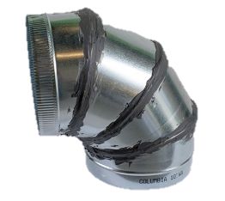
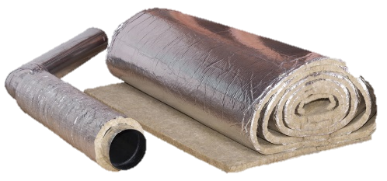
 |  |  |  | 1) | A Total Duct Leakage Test should be performed both before and after sealing
 |  |  |  | 2) | If resealing duct work as part of an HVAC replacement, the duct sealing rebate is not eligible
 |  |  |  | 3) | Test results are in CFM @ 25 Pascals
 |  |  |  | 4) | Ducts in unconditioned areas should be insulated with a minimum R-6
 |  |  |  | 5) | All ducts outside the building must be insulated with a minimum R-8
 |  |  |  | 6) | Post installation must be compliant with State code ECCCNYS

 | Total Cost: |  |  |  |  | Rebate:

 | Location 1: |  |  |  |  | Location 2:

 | Duct Location: |  |  |  |  | Duct Location:

 | Location Attribute: |  |  |  |  | Location Attribute:

 | Pre CFM(25) |  |  |  |  | Pre CFM(25)

 | Post CFM(25) |  |  |  |  | Post CFM(25)

 | Conditioned Floor Area: |  | (Square Footage) |  |  | Conditioned Floor Area: | (Square Footage)

 | System Impacted: |  |  |  |  | System Impacted:

 | Location 3:

 | Duct Location:

 | Location Attribute:

 | Pre CFM(25)

 | Post CFM(25)

 | Conditioned Floor Area: |  | (Square Footage)

 | System Impacted:

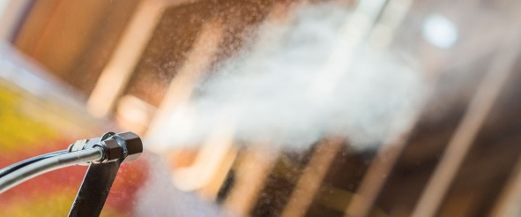
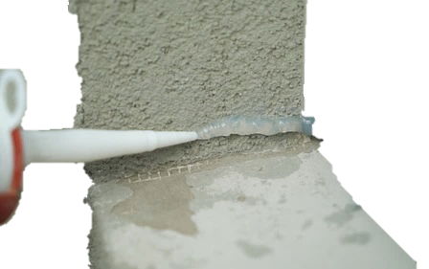
 | Air Sealing - $0.15/sqft
 |  |  |  | 1) | Air Sealing must be installed for all projects
 |  |  |  | 2) | A Blower Door Test must be conducted before and after air sealing is performed
 |  |  |  | 3) | Post Blower Door Test CFM results must be less than the Pre Air Sealing test results
 |  |  |  | 4) | Post Blower Door Test CFM must meet IECC 2018 criteria
 |  |  |  | 5) | Air Sealing square footage entered should match the square footage of insulation

 | Total Cost: |  |  |  |  | Rebate:
 | Location 1:

 | Shielding Class

 | Pre CFM(75):

 | Post CFM(75):

 | Total Air Sealing Square Footage:

 | Envelope Insulation - $0.50/sqft
 |  |  |  | 1) | Insulation must be installed for all projects
 |  |  |  | 2) | Minimum required R-Value ASHRAE 90.1 2016; See reference table on the Insulation Eligibility tab |  | here
 |  |  |  | 3) | Insulation rebates are available for ceiling and wall insulation
 |  |  |  | 4) | New Insulation R-Value must exceed existing insulation R-Value

 | Total Cost: |  |  |  |  | Rebate:
 | Location 1: |  |  |  |  | Location 2:

 | Location: |  |  |  |  | Location:

 | Installed Square Footage: |  |  |  |  | Installed Square Footage:

 | Existing R-Value: |  |  |  |  | Existing R-Value:

 | R-Value Installed: |  |  |  |  | R-Value Installed:

 | Location 3: |  |  |  |  | Location 4:

 | Location: |  |  |  |  | Location:

 | Installed Square Footage: |  |  |  |  | Installed Square Footage:

 | Existing R-Value: |  |  |  |  | Existing R-Value:

 | R-Value Installed: |  |  |  |  | R-Value Installed:

 | Location 5:

 | Location:

 | Installed Square Footage:

 | Existing R-Value:

 | R-Value Installed:

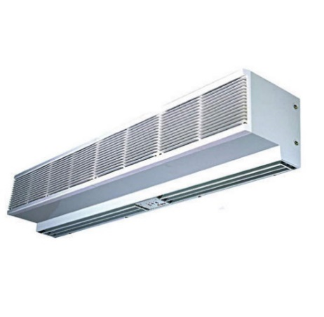
 | Air Curtains - $500/Unit
 |  |  |  | 1) | Cannot be installed in place of an existing Air Curtain
 |  |  |  | 2) | Must be installed between a conditioned indoor space and unconditioned space
 |  |  |  | 3) | Must carry the designated Underwriters Laboratory (UL) or Electrical Testing Laboratory (ETL) label

 | Total Cost: |  |  |  |  | Rebate:
 | Location 1

 | Horsepower:

 | Length: |  | (Feet)

 | Height: |  | (Feet)

 | Pipe Insulation - $10/Linear Foot
 |  |  |  | 1) | A minimum of 0.5 inches of insulation should be installed
 |  |  |  | 2) | Only Electric Domestic Hot Water Heating is eligible for pipe insulation rebate
 |  |  |  | 3) | The thickness of the pipe insulation installed must exceed the thickness of the existing pipe insulation
 |  |  |  | 4) | If the exact diameter or thickness is not available, please select the closest value

 | Total Cost: |  |  |  |  | Rebate:
 | Location 1

 | Water Heating Source:

 | Length of Pipe: |  | (Linear Feet)

 | Diameter of Pipe: |  | (Inches)

 | Thickness of Insulation: |  | (Inches)

 | Rebate

 | Total Rebate: | $0

